PV
An asset pays $100 in 5 years. The annual discount rate is 10%. What is the price of the asset today?

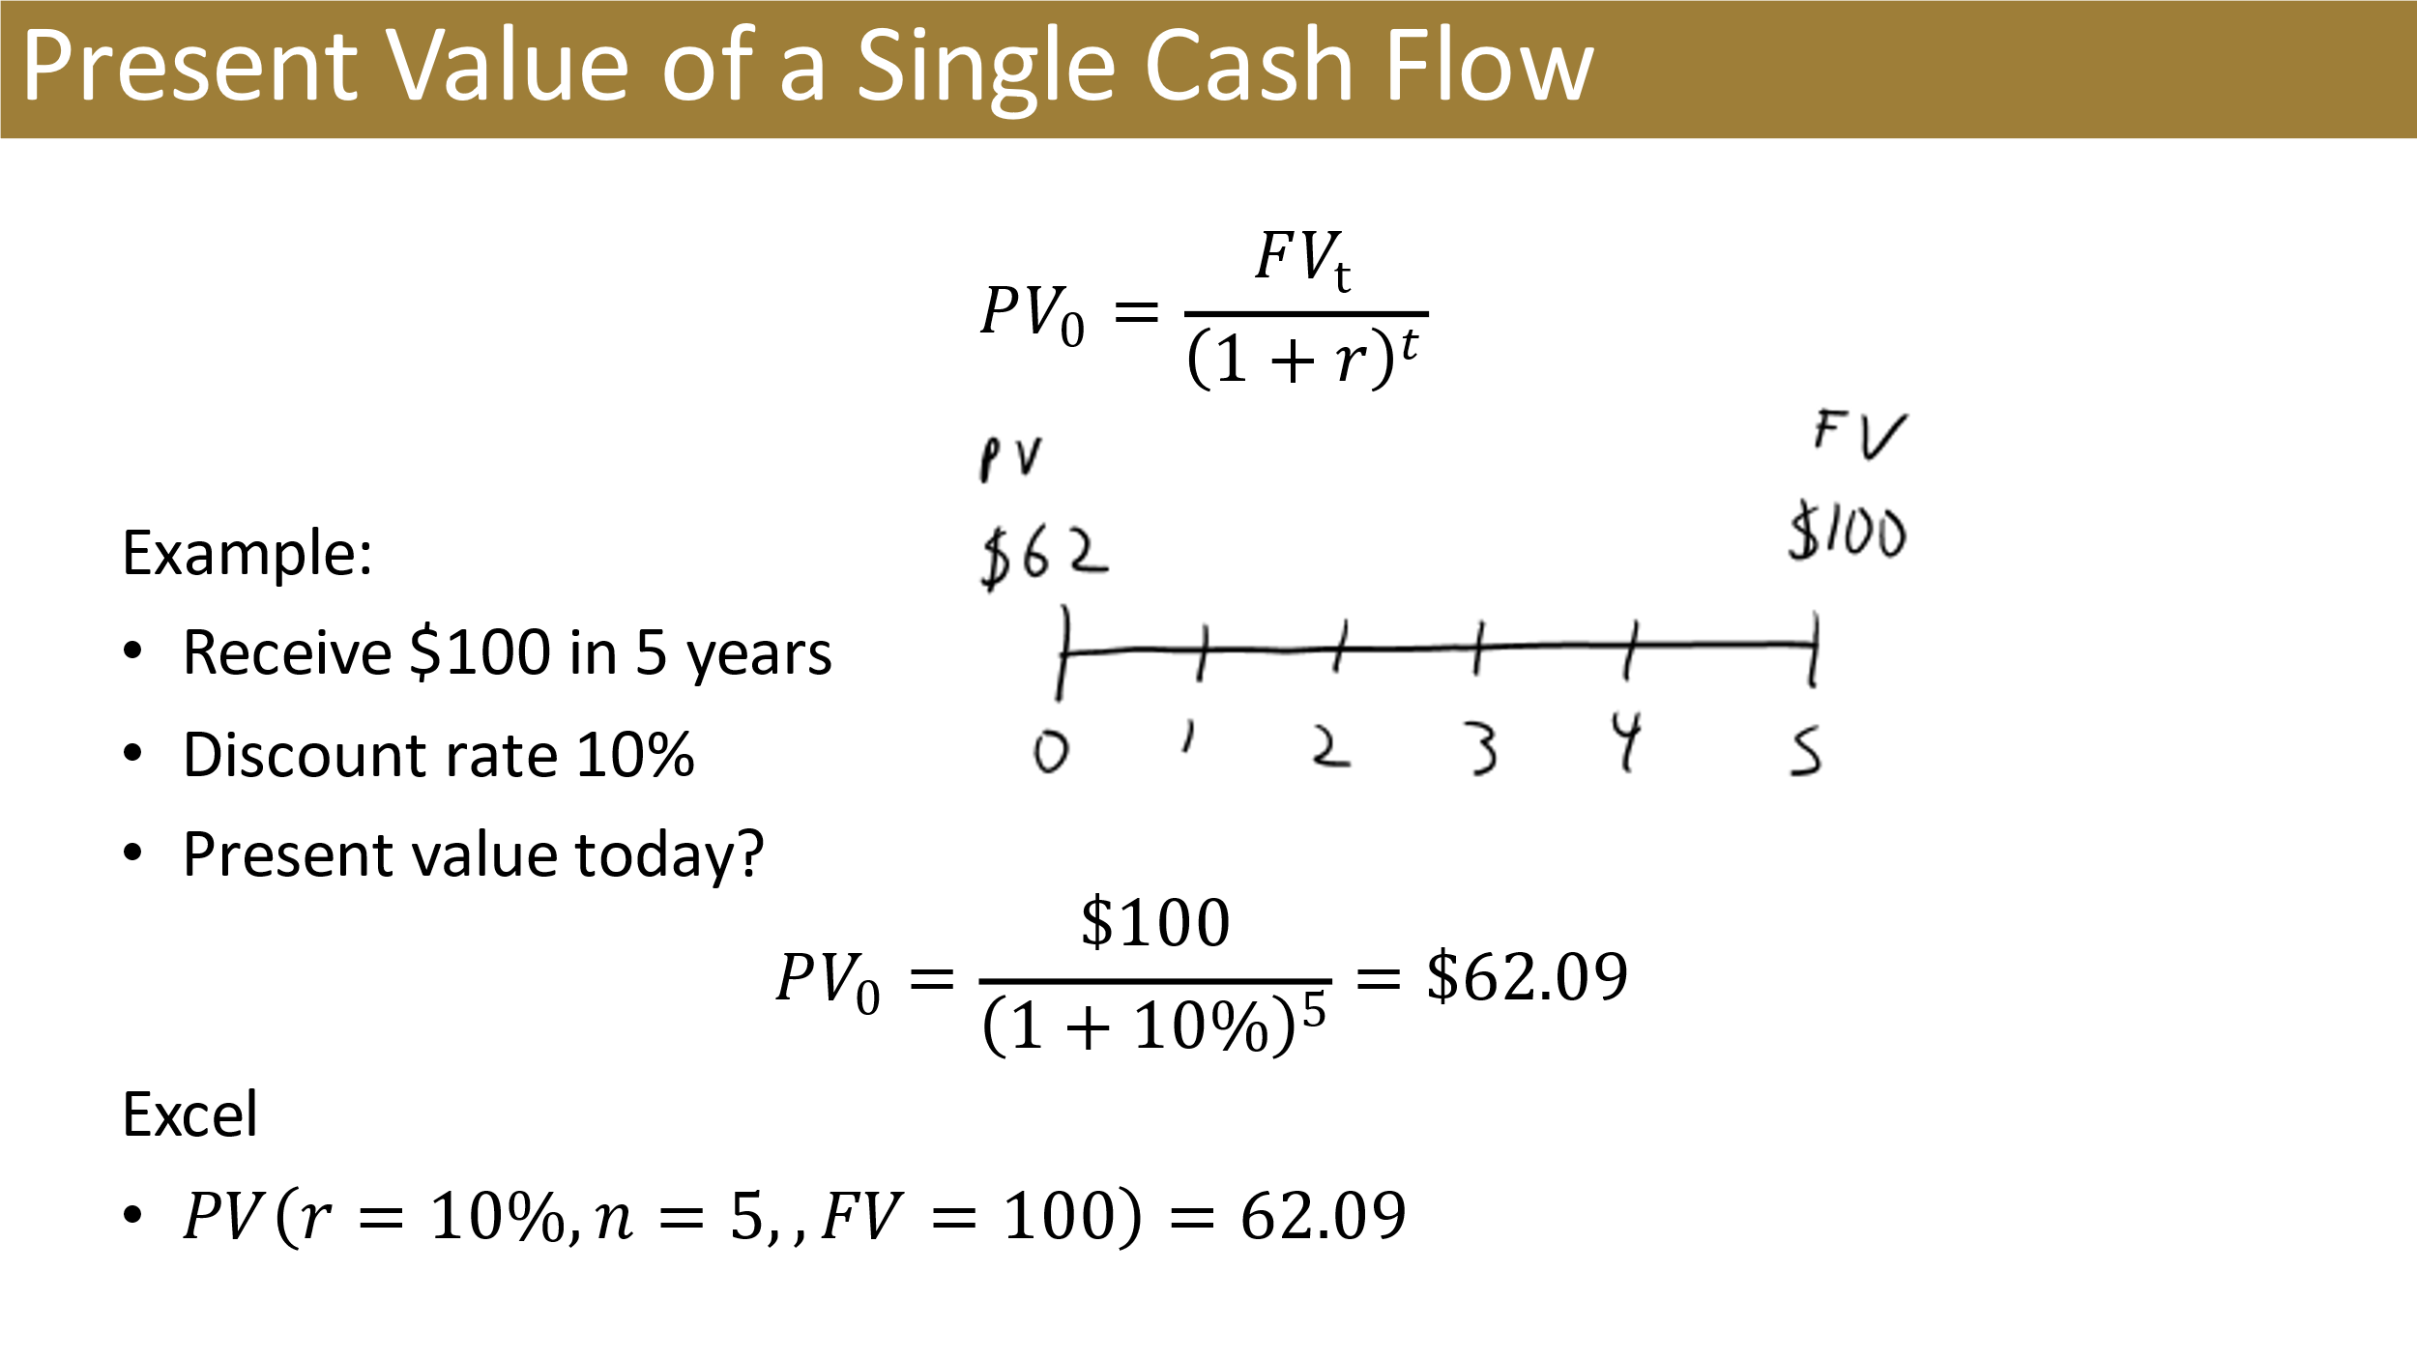
 | #N/A

FV
You have $62.09 today and invest it for 5 years at an annual discount rate of 10%. What is the value of the investment in year 5?

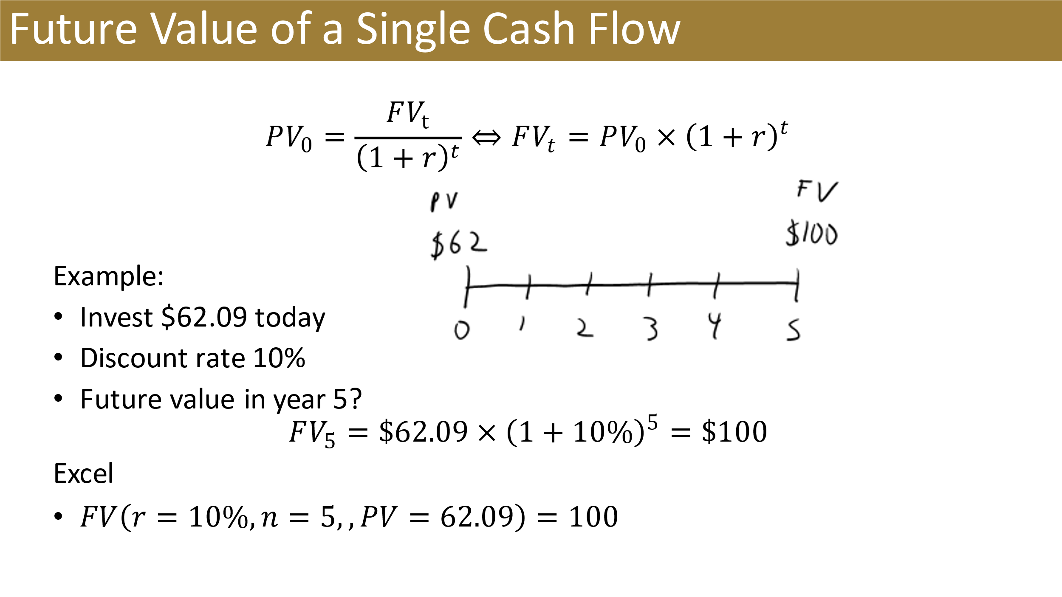
 | #N/A

RATE
You pay $62.09 today for an asset that pays $100 in five years. What is your annual return on investment?

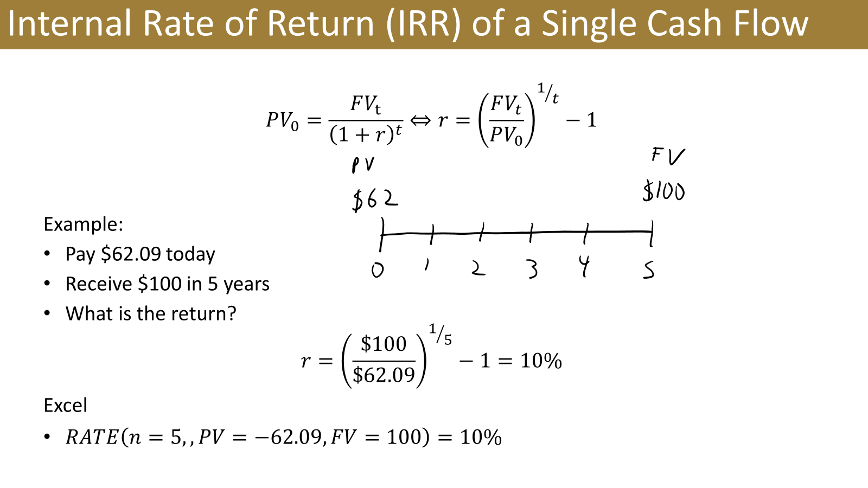
 | #N/A

Solution 1
An asset will pay $300 in year 7. What is the value of asset in year 4 if the annual discount rate is 8%?

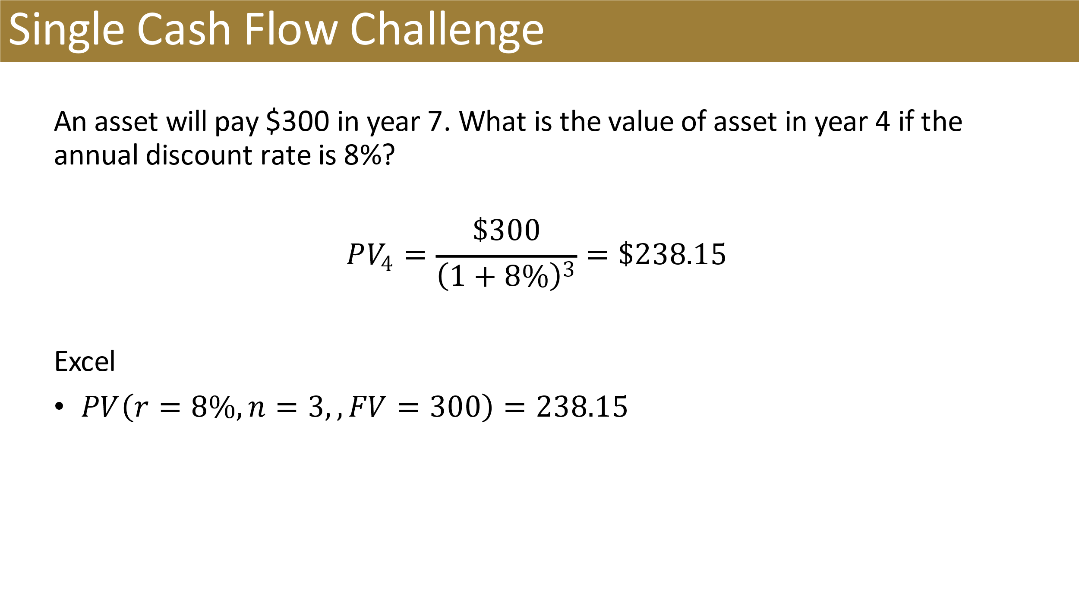
($238.15) | =PV(8%,3,,300)

NPV
An asset pays $90 and $100 in 4 and 5 years, respectively. The annual discount rate is 10%. What is the price of the asset today?

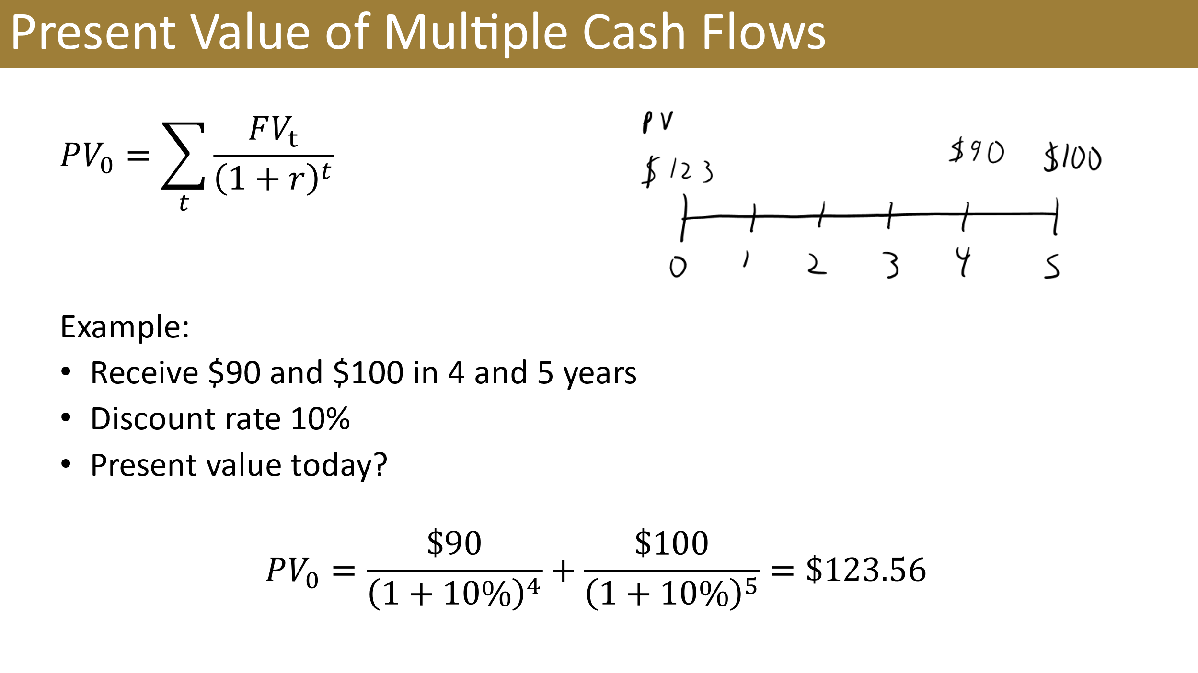
t | CF
0 | $- | #N/A
1 | $-
2 | $-
3 | $-
4 | $90
5 | $100

